NORTHER REFLECTIONS
NORTHERN REFLECTIONS - T&A PLAN
S NO | IO NO | STYLE | EX FT | IMAGE | FABRIC | COLOR | ORDER QTY | PLAN QTY | FABRIC |  |  | LOT CARD |  | PP SAMPLE |  | SIZE SET |  | CUTTING |  |  |  |  | PRINTING |  |  |  |  |  | FEEDING |  |  |  |  | SEWING |  |  |  |  | FI
 |  |  |  |  |  |  |  |  | MER PLAN | FAB PLAN | ACT | PLAN | ACT | SENT | APPD | PLAN | ACT | START PLAN | START ACT | END PLAN | END ACT | QTY | SEND PLAN | SENT ACT | QTY | RECVD PLAN | RECVVD ACT | QTY | START PLAN | START ACT | END PLAN | END ACT | QTY | START PLAN | START ACT | END PLAN | END ACT | QTY | PLAN | SUB
1 | 1068 | 99F26 - 405H | 2026-05-06 |  |  | BUTTER MILK - AOP | 1800 | 1980 | 2026-04-10 | 2026-04-10 | 2026-04-15 | 2026-04-17 |  | 2026-04-11 |  | 2026-04-18 |  | 2026-04-21 |  | 2026-04-23 |  |  | N/A | N/A | N/A | N/A | N/A | N/A | 2026-04-25 |  | 2026-04-28 |  |  | 2026-04-23 |  | 2026-05-09 |  |  | 2026-05-12
 |  |  |  |  |  |  | 1800 | 1980
2 | 1070 | 99F26 - 405PH | 2026-05-06 |  |  | BUTTER MILK - AOP | 1400 | 1540 | 2026-04-10 | 2026-04-10 | 2026-04-15 | 2026-04-17 |  | 2026-04-24 |  | 2026-04-30 |  | 2026-05-04 |  | 2026-05-06 |  |  | N/A | N/A | N/A | N/A | N/A | N/A | 2026-05-07 |  | 2026-05-09 |  |  | 2026-05-09 |  | 2026-05-16 |  |  | 2026-05-18
 |  |  |  |  |  |  | 1400 | 1540
3 | 1071 | 99F26 - 404H | 2026-05-06 |  |  | BLACK - DIGITAL | 1800 | 1980 | 2026-11-28 |  |  | 2026-05-02 |  | 2026-05-06 |  | 2026-05-08 |  | 2026-05-11 |  | 2026-05-13 |  |  | N/A | N/A | N/A | N/A | N/A | N/A | 2026-05-14 |  | 2026-05-15 |  |  | 2026-05-18 |  | 2026-05-28 |  |  | 2026-05-30
 |  |  |  |  |  |  | 1800 | 1980
 |  |  |  |  |  |  | 5000
S NO | IO NO | STYLE | EX FT | IMAGE |  | COLOR | ORDER QTY | PLAN QTY | FABRIC |  |  | LOT CARD |  | PP SAMPLE |  | SIZE SET |  | CUTTING |  |  |  |  | PRINTING |  |  |  |  |  | FEEDING |  |  |  |  | SEWING |  |  |  |  | FI
 |  |  |  |  |  |  |  |  | MER PLAN | FAB PLAN | ACT | PLAN | ACT | SENT | APPD | PLAN | ACT | START PLAN | START ACT | END PLAN | END ACT | QTY | SEND PLAN | SENT ACT | QTY | RECVD PLAN | RECVVD ACT | QTY | START PLAN | START ACT | END PLAN | END ACT | QTY | START PLAN | START ACT | END PLAN | END ACT | QTY | PLAN | SUB
1 | 1201 | 14F26-35 | 2026-06-01 | 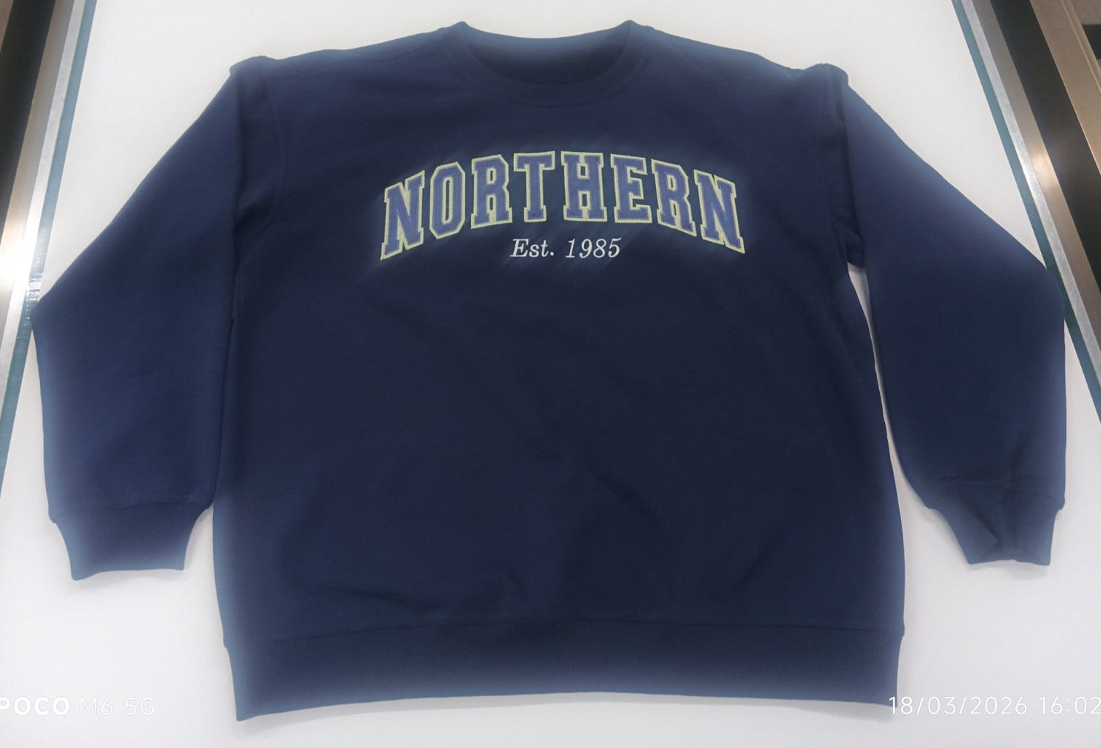 |  | NAVY SPORT | 900 | 963 | 2026-04-22 | 2026-04-22 |  | 2026-04-25 |  | 2026-04-29 |  | 2026-05-09 |  | 2026-05-11 |  | 2026-05-13 |  |  | 2026-05-16 |  |  | 2026-05-23 |  |  | 2026-05-25 |  | 2026-05-26 |  |  | 2026-05-27 |  | 2026-05-30 |  |  | 2026-06-01
 |  |  |  |  |  |  | 900 | 963

S NO | IO NO | STYLE | EX FT | IMAGE |  | COLOR | ORDER QTY | PLAN QTY | FABRIC |  |  | LOT CARD |  | PP SAMPLE |  | SIZE SET |  | CUTTING |  |  |  |  | PRINTING |  |  |  |  |  | FEEDING |  |  |  |  | SEWING |  |  |  |  | FI
 |  |  |  |  |  |  |  |  | MER PLAN | FAB PLAN | ACT | PLAN | ACT | SENT | APPD | PLAN | ACT | START PLAN | START ACT | END PLAN | END ACT | QTY | SEND PLAN | SENT ACT | QTY | RECVD PLAN | RECVVD ACT | QTY | START PLAN | START ACT | END PLAN | END ACT | QTY | START PLAN | START ACT | END PLAN | END ACT | QTY | PLAN | SUB
1 | 1201 | 14F26-35 | 2026-06-01 | 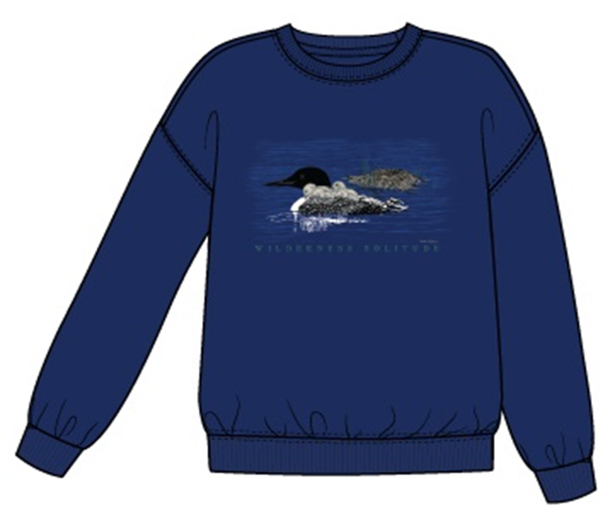 |  | NAVY SPORT | 900 | 963 | 2026-04-22 | 2026-04-22 |  | 2026-04-25 |  | 2026-04-29 |  | 2026-05-09 |  | 2026-05-11 |  | 2026-05-13 |  |  | 2026-05-16 |  |  | 2026-05-23 |  |  | 2026-05-25 |  | 2026-05-26 |  |  | 2026-05-27 |  | 2026-05-30 |  |  | 2026-06-01
 |  |  |  |  |  |  | 900 | 963

